Proportion=equal ratios
rise | 12 | rise | 6 | two other | 6 | 2
run | 4 | run | 2 | equal ratios | 12 | 4

x | y | x | y | rectangles x | y | Multn: b = 1 so c = ad
0 | 0 | -2 | 0 | 0 | 0 | Divn: d = 1, so c = a/b
12 | 0 | -2 | 12 | 4 | 0 | Direct proportion: vary d, d = (a/b)d
1 | 1 | 0 | 0 | 4 | 12 | Inverse proportion: vary b, c = (ad)/b
0 | 1.0909090909 | -1 | 6 | 0 | 0
0 | 1 | -1 | 0 | 0 | 0
4 | 1 | -2 | 0 | 2 | 0
0 | 1.0909090909 | -2 | 4 | 2 | 6
48 | 0 | 0 | 0 | 0 | 0
1 | 0 | -1 | 2
1 | 1 | -1 | 0
0 | 1 | 0 | 0 | 13.2 | 12.6
 |  |  |  | 0 | 0

You try
rise | 5 | rise |  | two other | 10 | 2
run | 1 | run | 2 | equal ratios | 5 | 1

x | y | x | y | rectangles x | y | Multn: b = 1 so c = ad
0 | 0 | 1 | 0 | 0 | 0 | Divn: d = 1, so c = a/b
5 | 0 | 1 | 5 | 1 | 0 | Direct proportion: vary d, d = (a/b)d
1 | 1 | 0 | 0 | 1 | 5 | Inverse proportion: vary b, c = (ad)/b
0 | 1.25 | 2 | 10 | 0 | 0
0 | 1 | 2 | 0 | 0 | 0
1 | 1 | 1 | 0 | 2 | 0
0 | 1.25 | 1 | 1 | 2 | 10
5 | 0 | 0 | 0 | 0 | 0
1 | 0 | 2 | 2
1 | 1 | 2 | 0
0 | 1 | 2.2 | 0 | 11 | 10.5
 |  |  |  | 0 | 0

Worksheet1
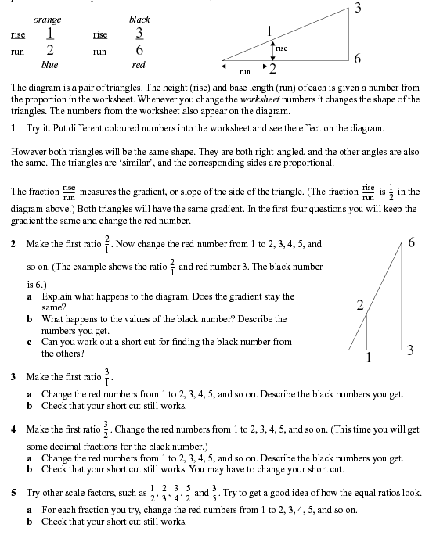

Worksheet2
